Demo Taska Static Analysis
 |  |  |  |  |  | Task Name | (P) Peridicity (ms) | Expected worst case Execution Time (usec) | Task execution Time during Hyper Period (200ms) | (E) Expected worst case Execution Time (msec)
 |  |  |  |  |  | Task 1 | 10 | 796 | 15.92 | 0.796
 |  |  |  |  |  | Task 2 | 50 | 4502 | 18.008 | 4.502
 |  |  |  |  |  | Task 3 | 20 | 7876 | 78.76 | 7.876
 |  |  |  |  |  | Task 4 | 40 | 4595 | 22.975 | 4.595
 |  |  |  |  |  | Total Execution During Hyper Period |  |  | 135.663
 |  |  |  |  |  | CPU load % |  |  | 67.8315

 |  |  |  |  |  | Actually measured CPU Load

 |  |  |  |  |  | Rate Monotonic Utilization

 |  |  |  |  |  |  | URM |  |  | n =
 |  |  |  |  |  |  | n ((2 ^ (1/n)) - 1) |  |  | 4
 |  |  |  |  |  |  | 0.75682846001

 |  |  |  |  |  | Schedulability Condition |  | U <= URM |  | Condition FullFilled
 |  |  |  |  |  |  |  | 0.67 < 0.75

 |  |  |  |  |  | Time Demand Analysis

Hyper Period
Task name | Task 1 | Task 2 | Task 3 | Task 4 |  | Order Tasks based on it's Priority (earliest DeadLine (Period) is higher Priority), Assuming DeadLine equal Periodicity (D = P)
Task Periodicity(ms) | 10ms | 50ms | 20ms | 40ms |  | Calculate Time needed against Time provided for each Task
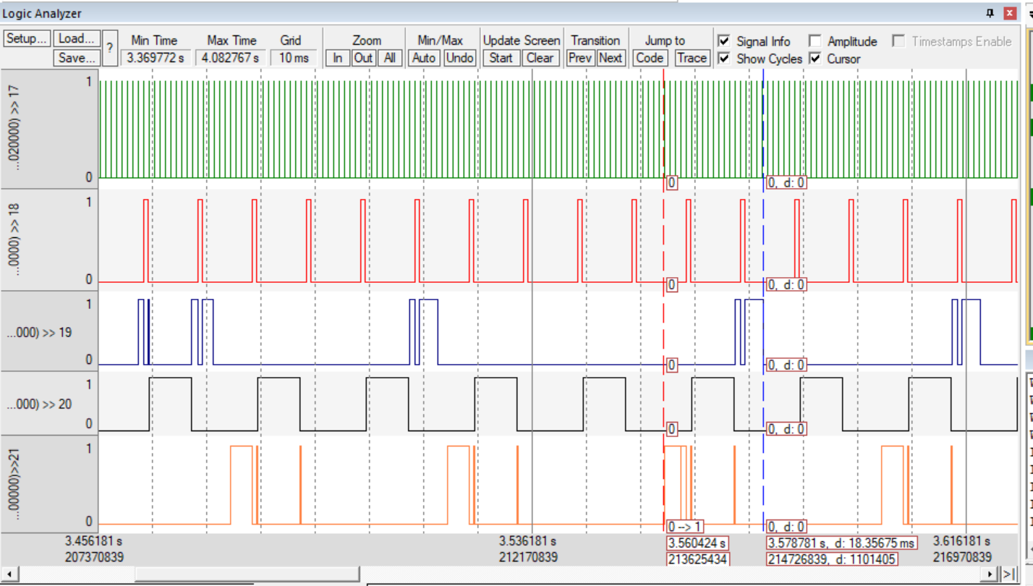
 | Execution Time (us) |  |  |  |  |  | Time Instance | T1 (P: 10ms) | T3 (P: 20ms) | T4 (P: 40ms) | T2 (P: 50ms) | System Schedulability
0 |  | 3507 |  |  | HyperPeriod (Critical Instance) |  | Periodicity | 10 | 20 | 40 | 50
10 | 795 |  |  |  |  | W(10) | 10 | 0.796
20 | 796 |  | 7856 |  |  | W(20) | 20 | 0.796 | 9.468
30 | 776 |  |  |  |  | W(30) | 30 | 0.796
40 | 774 |  | 7854 | 4481 |  | W(40) | 40 | 0.796 | 11.06 | 23.531
50 | 783 | 4502 |  |  |  | W(50) | 50 | 0.796 |  |  | 33.91575
60 | 775 |  | 7853 |  |  | W(60) | 60 | 0.796 | 12.652
70 | 774 |  |  |  |  | W(70) | 70 | 0.796
80 | 774 |  | 7873 | 4595 |  | W(80) | 80 | 0.796 | 14.244 | 42.467
90 |  |  |  |  |  | W(90) | 90 | 0.796
100 |  |  |  |  |  | W(100) | 100 | 0.796 | 15.836 |  | 63.3295
110 |  |  |  |  |  | W(110) | 110 | 0.796
120 |  |  |  |  |  | W(120) | 120 | 0.796 | 17.428 | 61.403
130 |  |  |  |  |  | W(130) | 130 | 0.796
140 |  |  |  |  |  | W(140) | 140 | 0.796 | 19.02
150 |  |  |  |  |  | W(150) | 150 | 0.796 |  |  | 92.74325
160 |  |  |  |  |  | W(160) | 160 | 0.796 | 20.612 | 80.339
170 |  |  |  |  |  | W(170) | 170 | 0.796
180 |  |  |  |  |  | W(180) | 180 | 0.796 | 22.204
190 |  |  |  |  |  | W(190) | 190 | 0.796
200 | 791 | 4470 | 7876 | 4501 | HyperPeriod (Critical Instance) | W(200) | 200 | 0.796 | 23.796 | 99.275 | 122.157
Max (us) | 796 | 4502 | 7876 | 4595 |  | Schedulability Condition |  | W(t) < D | W(t) < D | W(t) < D | W(t) < D | Schedulability (OK)
 |  |  |  |  |  | Schedulability Status |  | Schedulability (OK) | Schedulability (OK) | Schedulability (OK) | Schedulability (OK)

 |  |  |  |  |  | Simso Simulation
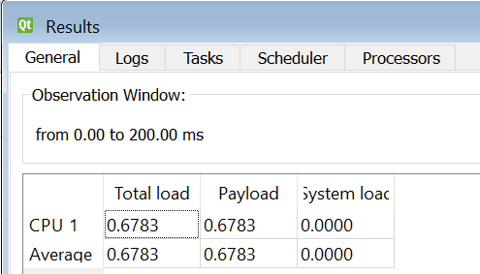

 |  |  |  |  |  | Results CPU Load

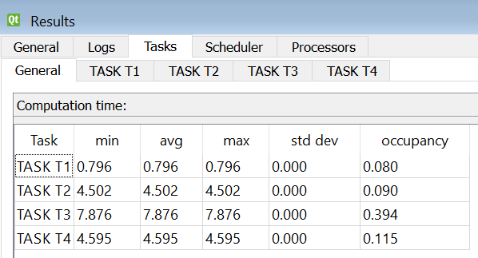
 |  |  |  |  |  | Computation Time

 |  |  |  |  |  | Gantt Chart

